Plat Strep 5x25x6000mm
KARTU STOCK
CATEGORY : | Plat Strep SS 304 5x25x6000mm
Tanggal | Nama Material | Suplier | Saldo awal |  | In | Out | Stcok Akhr |  | Keterangan
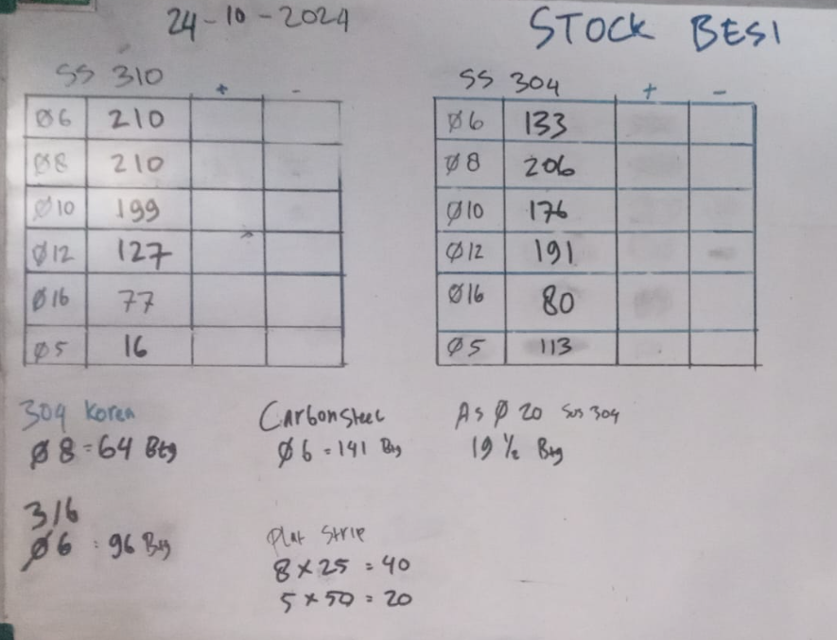
2024-10-21 | Stock Awal | Putra Indra Boga | 1 | Btg |  |  | 1 | Btg

2025-10-06 | Stock Opname By Deni |  |  |  |  |  | 1 | Btg

SUS 304 Dia 6
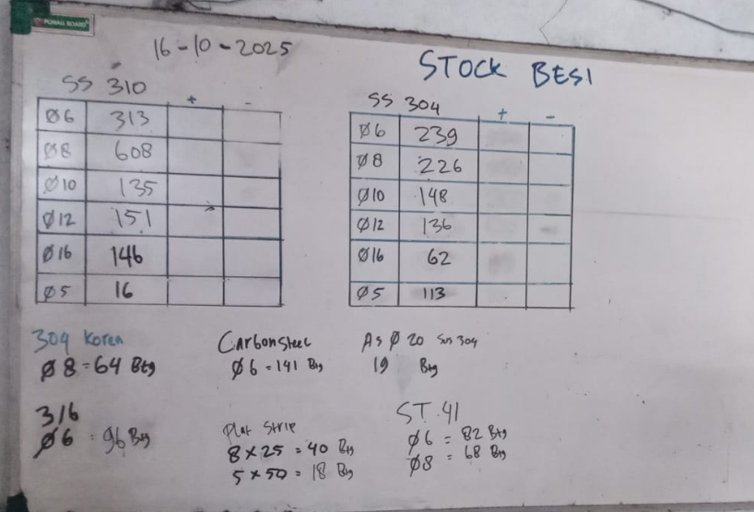
KARTU STOCK
CATEGORY : | Rpund Bar SUsS 304 Dia.6x6000mm
Tanggal | Nama Material | Suplier | Saldo awal |  | In | Out | Stcok Akhr |  | Keterangan
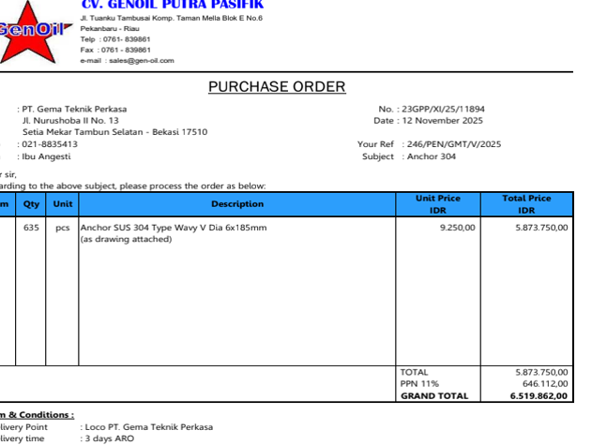
2025-01-01 | Stock Awal | Putra Indra Boga | 133 | Btg |  |  | 133 | Btg
 | Bp Doni |  |  |  |  |  | 133
 | Bp Doni |  |  |  |  |  | 133
 | PT Ges Anchor V SUS 304 Dia. 6x30mm : 152 Pcs |  |  |  |  | 7 | 126
 | PT Ges Anchor V SUS 304 Dia. 6x125mm : 28 Pcs
 | PT. Harfindo Anchor V Dia. 6c50mm : 412 pcs |  |  |  |  | 8 | 118
2025-03-24 | PT. SRP Anchor SUS 304 Dia. 6x70mm Type V Claw +Cap : 190 Pcs |  |  |  |  | 8 | 110
2025-04-14 | PT SRP Anchor SUS 304 Rod Bar Dia. 6x30x30x115mm : 36 Pcs |  |  |  |  | 1 | 109
2025-04-21 | From PIB |  |  |  | 75 |  | 184

2025-06-02 | Stock Opname By Deni |  |  |  |  |  | 155 | Btg
2025-06-18 | From PIB |  |  |  | 50 |  | 205
2025-06-17 | PT SRP Anchor SUS 304 Dia 304 Dia 6x50mm Type V+Cap : 342 |  |  |  |  | 7 | 198
2025-06-17 | PT SRP Anchor SUS 304 Dia 304 Dia 6x80 mm Type V+Cap : 500 |  |  |  |  | 14 | 184
2025-08-28 | PT. Shinagawa Refratech Mandala Perkasa Anchor V SS 304 Dia. 6x50mm Type V +Cap : 85 Pcs |  |  |  |  | 2 | 182
2025-08-29 | From PIB |  |  |  | 100 |  | 282
2025-08-29 | PT SRP Anchor SS 304 Dia. 6x70mm Type Y Spiral+Cap : 990 Pcs |  |  |  |  | 37 | 245
2025-09-02 | PT SRP Anchor SS 304 Dia. 6x25mm : 360 Pcs |  |  |  |  | 6 | 239

2025-10-16 | Stock Opname By Deni |  |  |  |  |  | 239
2025-11-05 | PT SRP Anchor SS 304 Dia.6x25mm Type Y Spiral+Cap : 250 Pcs |  |  |  |  | 19 | 220
 | PT SRP Anchor SS 304 Dia.6x70mm Type Y Spiral+Cap : 500 Pcs |  |  |  |  | 4 | 216
2025-11-07 | PT RMP Round bar SUS 304 Size : Dia. 6x6000mm |  |  |  |  | 2 | 214
2025-11-14 | Anchor SUS 304 Dia. 6x50mm Type V+Cap : 18 Pcs |  |  |  |  | 1 | 213
 | Anchor SUS 304 Dia. 6x90mm, Type V+Cap : 45 Pcs |  |  |  |  | 1 | 212
 | PT RMP Round bar SUS 304 Size : Dia. 6x6000mm |  |  |  |  | 2 | 210
2025-11-27 | PR SRP Anchor SUS 304 Dia. 6x45mm Type V +Cap : 36 |  |  |  |  | 1 | 209
 | CV Genoil Anchor SUS 304 Type Wavy V Dia. 6x185mm : 635 Pcs |  |  |  |  | 46 | 163

SUS 304 Dia 8
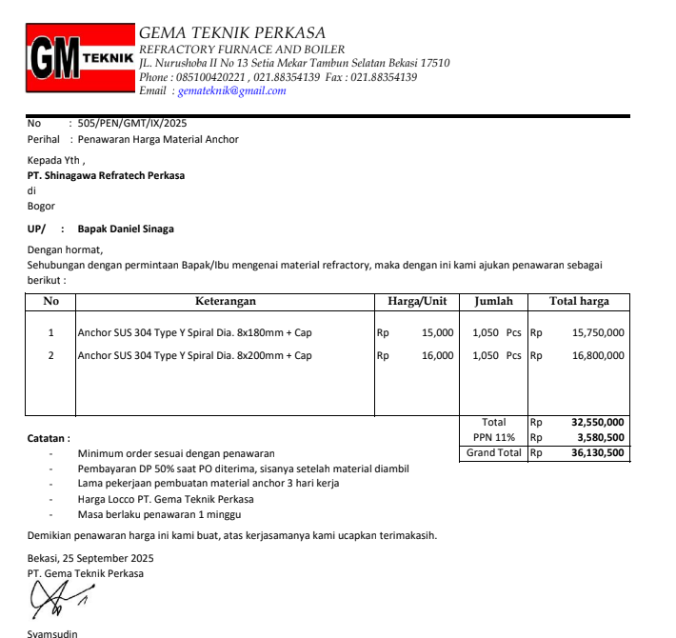
KARTU STOCK
CATEGORY : | Round Bar SUS 304 Dia. 8
Tanggal | Nama Material | Suplier | Saldo awal |  | In | Out | Stcok Akhr |  | Keterangan

2024-10-21 | Stock Awal | Putra Indra Boga | 206 | Btg |  |  | 206 | Btg
2024-11-29 | Anchor SUS 3014 Dia. 8x180mm Type Y+Cap : 208 Pcs |  |  |  |  | 11 | 195 | Btg
2024-12-10 | PT SRP Anchor SS 304 Dia.8x180mm Type Y Weld +Cap : 118 Pcs |  |  |  |  | 6 | 189 | Btg
2025-02-07 | PT SRP Anchor SUS 304 Dia. 8x170mm Type Y las +Cap : 285 Pcs |  |  |  |  | 29 | 160 | Btg
 | Prehaet Kiln Daiki |  |  |  |  | 2 | 158 | Btg
2025-03-18 | Daiki Lebaran Anchor SUS 304 Type V Dia. 8x70mm : 40 Pcs |  |  |  |  | 2 | 156 | Btg

2025-06-02 | Stock Opname By Deni |  |  |  |  |  | 156 | Btg
2025-06-13 | Instock | PIB |  |  | 150 |  | 306 | Btg
2025-06-16 | PT SRP Anchor Y Spiral Dia. 8x255mm : 1300 Pcs |  |  |  |  | 130 | 176 | Btg
2025-06-30 | PT RMP Anchor V SS 304 8x30 mm+Cap : 725 Pcs |  |  |  |  | 9 | 167 | Btg
2025-09-19 | PT Eagle Elbrugman Round Anchor SUS 304 Dia. 8x40mm (Anchor V Spiral) : 80 Pcs |  |  |  |  | 2 | 165 | Btg
2025-09-30 | PT RMP Anchor Y Spiral Dia. 8x180mm : 1050 Pcs |  |  |  |  | 88 | 77 | Btg
2025-09-30 | From PIB |  |  |  | 150 |  | 227
2025-10-02 | Daiki Plant 2 Anchor SUS 304 Type V Dia. 8x70mm : 40 Pcs |  |  |  |  | 1 | 226 | Btg

10/110/2025 | Stock by Deni |  |  |  |  |  | 226 | Btg

SUS 304 Dia 10
KARTU STOCK
CATEGORY : | Round Bar SUS 304 Dia. 10
Tanggal | Nama Material | Suplier | Saldo awal |  | In | Out | Stcok Akhr |  | Keterangan

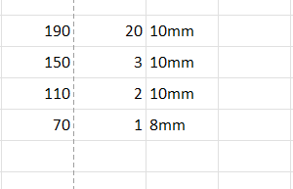
2024-10-21 | Stock Awal | Putra Indra Boga | 176 | Btg |  |  | 176 | Btg
2024-11-13 | PT Molycop Bar Stainless SS 304 UK 55cm Dia 10 cm |  |  |  |  | 10 | 166 | Btg
2024-11-14 | PT Eksima Hanger Clip Sus 304 Dia. 10x120x134mm : 680 Pcs |  |  |  |  | 53 | 113 | Btg
2024-11-20 | Bapak Farid |  |  |  |  | 5 | 108 | Btg
2025-02-06 | Instock From PIB | PIB |  |  | 100 |  | 208 | Btg
2025-02-07 | PT RMP Anchor Y Spiral Dia. 10x120mm SS 304 with Cap : 1000 Pcs |  |  |  |  | 56 | 152 | Btg
2025-02-26 | Instock From PIB |  |  |  | 100 |  | 252 | Btg
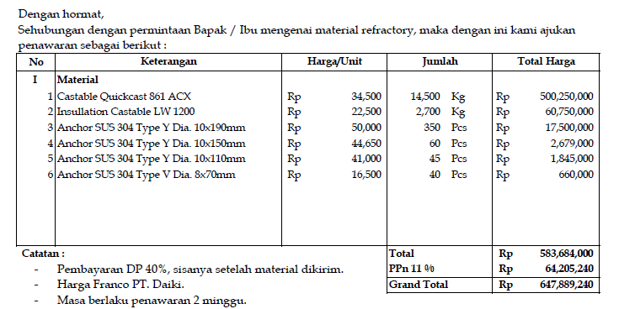
2025-02-27 | PT. GemilangAnchor Y Spiral Dia. 10x220 mm : 760 Pcs |  |  |  |  | 77 | 175 | Btg
 | PT. Gemilang Anchor Y Spiral Dia. 10x160mm : 65 Pcs |  |  |  |  | 5 | 170 | Btg
2025-03-17 | Instock From PIB |  |  |  | 100 |  | 270 | Btg
2025-03-18 | Daiki Lebaran Anchor SUS 304 Type Y Las Dia. 10x110mm : 45 Pcs |  |  |  |  | 3 | 267 | Btg
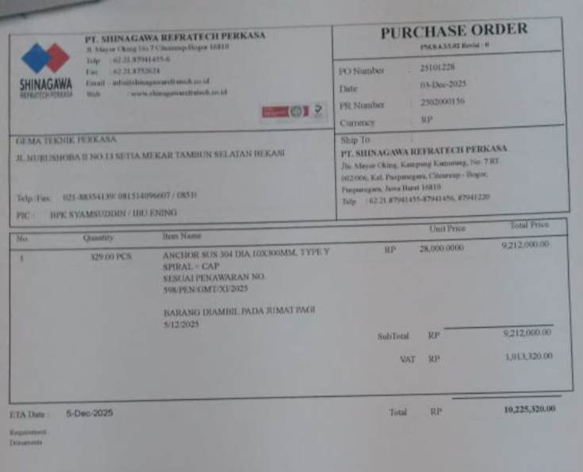
 | Daiki Lebaran Anchos SUS 304 Type Y Spiral Dia. 10x170mm : 550 Pcs |  |  |  |  | 43 | 224 | Btg
 | Daiki Lebaran Anchor SUS 304 Type Y Las Dia. 10x190mm : 380 Pcs |  |  |  |  | 21 | 203 | Btg
 | Daiki Lebaran Anchor SUS 304 Type Y Las Dia. 10x150 mm :15 |  |  |  |  | 4 | 199 | Btg
2025-04-14 | PT SRP Anchor SUS 304 Dia. 10x270mm Type Y Spiral+Cap : 33 |  |  |  |  | 4 | 195 | Btg
2025-04-14 | PT SRP Stud Anchor SUS 304Dia. 10x425mm + Nut : 267 |  |  |  |  | 12 | 183 | Btg
2025-04-14 | PT SRP Anchor SUS 304 Dia. 10x270mm Type Y Spiral + Cap : 89 |  |  |  |  | 10 | 173 | Btg

2025-06-02 | Stock Opname By Deni |  |  |  |  |  | 173 | Btg
2025-10-02 | Daiki Plant 2 Anchor SUS 304 Type Y Dia 10x190mm : 350 |  |  |  |  | 20 | 153 | Btg
 | Daiki Plant 2 Anchor SUS 304 Type Y Dia 10x150mm : 60 |  |  |  |  | 3 | 150 | Btg
 | Daiki Plant 2 Anchor SUS 304 Type Y Dia 10x110mm : 45 |  |  |  |  | 2 | 148 | Btg
2025-10-02 | Daiki Plant 2 Anchor SUS 304 Type V Dia. 8x70mm : 40 Pcs |  |  |  |  | 1 | 147 | Btg

2025-10-16 | Stock Opname by Deni |  |  |  |  |  | 147
2025-11-14 | PT RMP Hanger Clip SUS 304, Size Dia. 10x150x115mm : 110 |  |  |  |  | 11 | 136
2025-12-01 | PT Ptrochina Jabung Anchor Y Spiral SS 304 Dia. 10x220mm : 100 Pcs |  |  |  |  | 20 | 116
2025-12-04 | PT SRP Anchor SS 310 type Y Spiral Dia. 10x300mm : 329 Pcs |  |  |  |  | 42 | 74
2025-12-04 | From PIB |  |  |  | 100 |  | 174

SUS 304 Dia 12
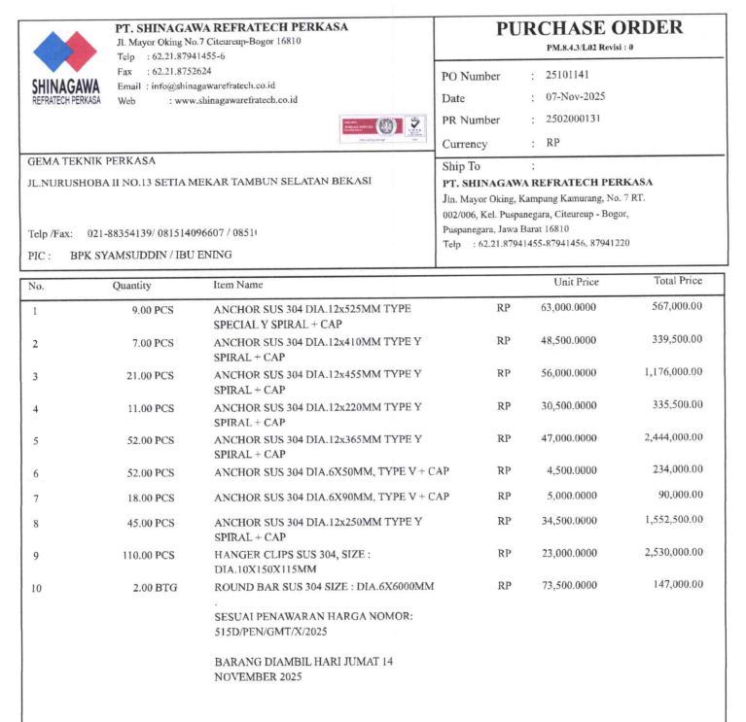
KARTU STOCK
CATEGORY : | Round Bar SUS 304 Dia. 12
Tanggal | Nama Material | Suplier | Saldo awal |  | In | Out | Stcok Akhr |  | Keterangan

2024-10-21 | Stock Awal | Putra Indra Boga | 191 | Btg |  |  | 191 | Btg
 | PT Exima SS 304 Ty[e Y Spiral Dia. 12x350mm : 240 Pcs |  |  |  |  | 35 | 156
 | PT Daiki SS 304 Type Y Las Dia, 12x200mm : 11 Pcs |  |  |  |  | 9 | 147 | Btg
 | PT Daiki SS 304 Type Y Las Dia, 12x270mm : 37 Pcs
 | PT Daiki SS 304 Type Y Las Dia, 12x350mm : 11 Pcs
 | PT Daiki SS 304 Type Y Las Dia, 12x450mm : 22 Pcs
2024-11-29 | Anchor SS 304 Dia. 12x200mm Type Y Spiral+Cap : 21 Pcs |  |  |  |  | 2 | 145 | Btg
 | Anchor SS 304 Dia. 12x365mm Type Y Spiral+Cap : 40 Pcs |  |  |  |  | 6 | 139 | Btg
 | Anchor SS 304 Dia. 12x460mm Type Y Special Spiral+Cap : 9 Pcs |  |  |  |  | 3 | 136 | Btg
 | Anchor SS 304 Dia. 12x410mm Type Y Spiral+Cap : 41 Pcs |  |  |  |  | 7 | 129 | Btg
2024-11-29 | PT Gemilang Anchor Type Y Spiral SUS 304 Uk dia. 12x125 : 420 Pcs |  |  |  |  | 20 | 109 | Btg
2024-12-27 | PT Gemilang Anchor Y Spiral Dia. 12x280mm : 50 pcs |  |  |  |  | 7 | 102 | Btg
2025-02-06 | Instock From PIB | PIB |  |  | 100 |  | 202 | Btg
2025-02-10 | PT SRP Anchor SUS 304 Dia. 12x270mm Type Y Las+Cap : 393 Pcs |  |  |  |  | 30 | 172 | Btg
 | PT SRP Anchor SUS 304 Dia. 12x355mm Type Y Las +Cap : 49 Pcs |  |  |  |  | 5 | 167 | Btg
 | PT SRP Anchor SUS 304 Dia. 12x420mm, Type Y Las +Cap : 132 Pcs |  |  |  |  | 15 | 152 | Btg
2025-03-18 | Daiki Lebaran SUS 304 Dia. 12x270mm, Type Y Las : 37 Pcs |  |  |  |  | 3 | 149 | Btg
 | Daiki lebaran SUS 304 Dia. 12x350mm : Type Y :as : 16 Pcs |  |  |  |  | 2 | 147 | Btg
2025-04-14 | PT SRP Anchor Sus 304 Dia. 12x350mm Type Y Spiral +Cap : 87 Pcs |  |  |  |  | 13 | 134 | Btg

2025-06-02 | Stock Opname By Deni |  |  |  |  |  | 134 | Btg
2025-06-17 | PT SRP Anchor SUS 304 Dia. 12x320mm : 27 pcs |  |  |  |  | 4 | 130 | Btg
2025-06-18 | From PIB |  |  |  | 50 |  | 180 | Btg
2025-06-16 | RMP Anchor Y Spiral SUS 304 Dia. 12x270mm : 200 Pcs |  |  |  |  | 25 | 155 | Btg
 | SR Anchor Y Spiral SUS 304 Dia. 12x340mm : 100 Pcs |  |  |  |  | 15 | 140 | Btg
2025-07-25 | pt srp Anchor SUS 304 Dia. 12x360mm Type Y Spiral +Cap : 17 Pcs |  |  |  |  | 3 | 137 | Btg
 | PT SRP Anchor Sus 304 Dia. 12x400 mm Type Y Spiral + Cap : 4 Pcs |  |  |  |  | 1 | 136 | Btg

2025-10-16 | Stock Opname By Deni |  |  |  |  |  | 136
2025-11-17 | PT RMP Anchor SUS 304 Dia,12x525mm Type Special Y Spiral +Cap : 9 Pcs |  |  |  |  | 2 | 134 | Btg
 | PT RMP Anchor SUS 304 Dia. 12x410mm Type Y Spiral +Cap :7 Pcs |  |  |  |  | 2 | 132 | Btg
 | PT RMP Anchor SUS 304 Dia. 12x455mm Type Y Spiral +Cap : 21 Pcs |  |  |  |  | 5 | 127 | Btg
 | PT RMP Anchor SUS 304 Dia. 12x220mm Type Y Spiral +Cap : 11 Pcs |  |  |  |  | 1 | 126 | Btg
 | PT RMP Anchor SUS 304 Dia. 12x365mm Type Y Spiral +Cap : 52 Pcs |  |  |  |  | 11 | 115 | Btg
 | PT RMP Anchor SUS 304 Dia. 12x250mm Type Y Spiral +Cap : 45 Pcs |  |  |  |  | 5 | 110 | Btg

